Bug template
Център за обучение по софтуерно тестване Website: http://skillo-bg.com

Bug ID | Online_Shop_B004
Name | Sorting function in “Best sellers” section is not working properly
Priority | high
Severity | S1
Description
Steps to reproduce | 1. Open http://automationpractice.com 2. Scroll to the “Information” section at the bottom of the page and click on "Best sellers" 3. Click on the menu “Sort by” and sort the items by “Price: Lowest first” Expected result: The items should be sorted by lowest price Actual result: The items are sorted by highest price
Attachment | 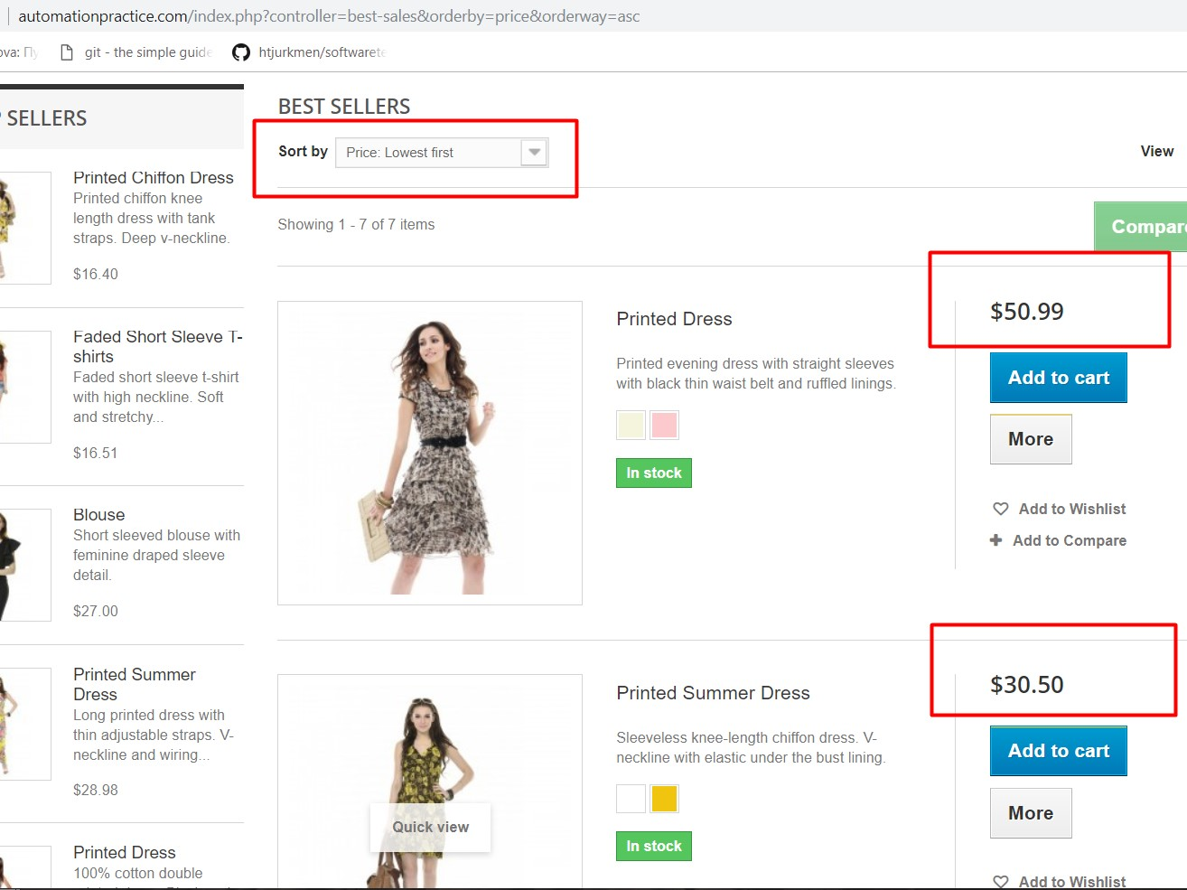
Status | Opened
Component | "Sort by" function
Version/Build number (Found in)
Environment | Windows 10 64-bit, Google Chrome
Comments
Date Created | 2018-10-03
Author | Desislava Laskova
Audit Log

